Please read me first
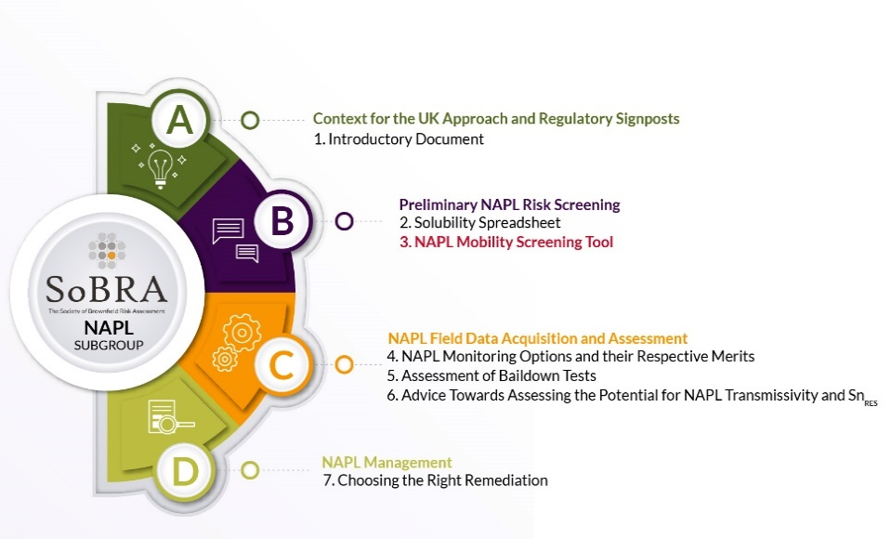
This LNAPL mobility screening tool and accompanying documents have been developed by and is made freely available by SoBRA’s NAPL Subgroup. It is part of a package of work, to aid practitioners undertaking NAPL risk assessment. The seven working groups cover all stages of NAPL risk assessment, ranging from establishing whether NAPL is likely to be present at a site or not, through to designing an appropriate remediation strategy. The overall publication strategy for the group is indicated in the accompamying figure. The position of this document within the strategy is highlighted in red.
SoBRA gratefully acknowledges the authors of this work, namely Anna Hitchmough (lead author), Duncan Cartwright, David Holmes, Jonathan Parry, Caroline Walker and Conor Armstrong.
Users should familiarise themselves with the accompanying guidance notes Society of Brownfield Risk Assessment (2023), Light Non-Aqueous Phase Liquid – Guidance Notes for their Assessment in Contaminated Land Scenarios in the UK. 3. LNAPL Mobility Screening Tool. Version 1.0, February 2023 before using this tool.
The aim of this spreadsheet tool and documents is to provide guidance on interpreting how mobile LNAPL plumes are; as part of a lines of evidence approach to characterising LNAPL plume behaviour. The tool provides commentary and an easily accessible set of spreadsheets containing the equations provided in the CL:AIRE 2014 publication An Illustrated Handbook of LNAPL Transport and Fate in the Subsurface. The included equations estimate:
- the depth of LNAPL penetration below the water table;
- the critical thickness of LNAPL in a borehole which will indicate lateral migration;
- Darcy flux;
- LNAPL hydraulic conductivity; and,
- Lateral LNAPL velocity.
The document discusses which parameters the mobility equations are most sensitive to, sources of uncertainty; and provides guidance on where to obtain suitable values for use in the equations. In addition, for selected LNAPL and sediment types, we provide example input data and graphical output to estimate the depth of LNAPL penetration below the water table; and the critical thickness of LNAPL in a borehole.
To use the calculation sheets (entitled “Penetration depth”, “Thickness for lateral movement” and “Rate of lateral movement”), enter the required data (beige cells) to calculate the required output (orange cells). Do not alter or attempt to enter data in any other cell. There are comments in the accompanying guidance notes to guide the user.
This workbook has been developed by members of the SoBRA NAPL Subgroup in a voluntary capacity and is based on the views of the individual members, not those of their employers. Users of this workbook must satisfy themselves that it is appropriate for the intended use and no guarantee of suitability is made.
Feedback on this tool is welcomed and should be submitted to SoBRA at info@sobra.org.uk.
Copyright © Society of Brownfield Risk Assessment 2023
Published by the Society of Brownfield Risk Assessment www.sobra.org.uk. The Society of Brownfield Risk Assessment is a Registered Charity: No. 1180875.
Light Non-Aqueous Phase Liquid – Guidance Notes for their Assessment in Contaminated Land Scenarios in the UK. 3. LNAPL MOBILITY SCREENING TOOL. Version 1.1 © 2023 by Society of Brownfield Risk Assessment is licensed under Attribution-NoDerivatives 4.0 International. To view a copy of this license, visit http://creativecommons.org/licenses/by-nd/4.0/

