Read me first
SOCIETY OF BROWNFIELD RISK ASSESSMENT
Non-Aqueous Phase Liquid –
Guidance Notes for their Assessment in
Contaminated Land Scenarios in the UK
2. Effective Solubility Tool
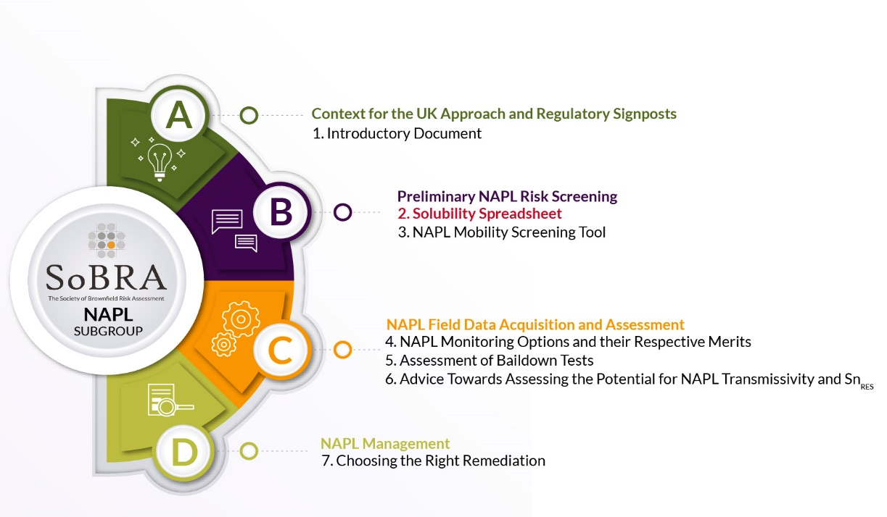

This series of reports and tools is published by the Society of Brownfield Risk Assessment (SoBRA). It presents work undertaken by the SoBRA non-aqueous phase liquid (NAPL) sub-group composed of volunteers listed in the acknowledgments below. This publication is part of a series of work packages designed to address various issues in data collection and evaluating risks associated with non-aqueous phase liquid (NAPL) as indciated in the accompanying figure.
Use of the solubility tool will provide the user with a robust and defensible approach to the use of effective solubility in the assessment of fuel contamination. It is imperative that users have read and understand the basis for the outputs of the tool and its limitations. Outputs are dependant on the chosen literature fuel type or chosen site specific values.
The reports and tools are made available on the understanding that neither the contributors nor the publishing organisation are engaged in providing a specific professional service. Whilst every effort has been made to ensure the accuracy and completeness of the publications, no warranty as to fitness for purpose is provided or implied. Neither SoBRA nor the authors of the report accept any liability whatsoever for any loss or damage arising in any way from its use or interpretation, or from reliance on any views contained herein. Readers are advised to use the information contained herein purely as a guide for initial consultation about the topics and to take appropriate professional advice where necessary.
Feedback on this workbook is welcomed and should be submitted to SOBRA at info@sobra.org.uk
All rights are reserved. No part of this publication may be reproduced, stored in a retrieval system or transmitted in any form or by any means without the written permission of the copyright holder.
Copyright © Society of Brownfield Risk Assessment 2023. Published by the Society of Brownfield Risk Assessment www.sobra.org.uk.
The Society of Brownfield Risk Assessment is a Registered Charity: No. 1180875
Non-Aqueous Phase Liquid – Guidance Notes for their Assessment in Contaminated Land Scenarios in the UK 2. Effective Solubility Tool © 2023 by Society of Brownfield Risk Assessment is licensed under Attribution 4.0 International. To view a copy of this license, visit http://creativecommons.org/licenses/by/4.0/.

ACKNOWLEDGMENTS

SoBRA wishes to thank the following individuals for their considerable assistance in the successful delivery of this document:
Principal Authors | Employer
Jonathan Parry | SLR Consulting
Caroline Walker | WSP
Working Group & Reviewers
Anna Hitchmough | RSK Geosciences
Jonathan Larkin | Hydrogeology Consulting Ltd
David Holmes | Geosyntec
Melinda Evans | Soilfix Ltd
Alexander Lee | HKA Ltd
Anil Waduge | RSK RAW
Conor Armstrong | Avada Environmental

Molecular Weight Calculator
Calculation sheet for NAPL Molecular Weight Based on methodology set out in ANSR, 2015. Calculating Mole Fractions from LNAPL and Soil Samples. Applied NAPL Science Review. Volume 5, Issue 1.

A site specific NAPL molecular weight is the sum of the product of each component’s mass fractions by molecular weight

MW₀$=Σ (MFi$ x MW_{i})
 |  |  | = Calculation outputs
 |  |  | = User defined value

User defined list.
Determinand | Mass fraction | Molecular weight | Component Mass fraction x molecular weight

 | g.g-1 | g.mole-1 | g.mole-1
i | MFi | MWi | MFi x MWi
Aromatics >EC5-EC7 |  | 78
Aromatics >EC7-EC8 |  | 92
Aromatics >EC8-EC10 |  | 120
Aromatics >EC10-EC12 |  | 126
Aromatics >EC12-EC16 (aq) |  | 145
Aromatics >EC16-EC21 (aq) |  | 168
Aromatics >EC21-EC35 (aq) |  | 239
 |  | ---
 |  | ---
 |  | ---
Aliphatics >C5-C6 |  | 81
Aliphatics >C6-C8 |  | 102
Aliphatics >C8-C10 |  | 130
Aliphatics >C10-C12 |  | 159
Aliphatics >C12-C16 (aq) |  | 200
Aliphatics >C16-C21 (aq) |  | 269
 |  | ---
 |  | ---
 |  | ---
Calculated NAPL molecular weight (MWo): |  |  | 0 | g.mole-1
Mass fraction total: | 0

Standard Calculation
$$Ci=xiCi0$$
 |  |  |  | Raoult's Law

 |  |  |  | Where:
Calculation sheet for effective solubility of standard fuel types Based on Raoult's Law and methodology set out in CL:AIRE, 2017. Petroleum Hydrocarbons in Groundwater: Guidance on assessing petroleum hydrocarbons using existing hydrogeological risk assessment methodologies. CL:AIRE, London. ISBN 978-1-905046-31-7 ©SoBRA, 2022 |  |  |  |  | Ci = | Effective solubility of a compound i (in a mixture) at equilibrium (mg.L-1)
 |  |  |  |  | xi = | mole fraction of i in the mixture
 |  |  |  |  | Ci0 = | aqueous solubility concentration of the pure compound (mg.L-1)
x_{i}$=MFi$ x (MW₀/MW_{i})
 |  |  |  | The mole fraction, xi, is defined as:

 |  |  |  | Where:
 |  |  |  |  | MFi = | mass fraction compound i in hydrocarbon mixture
 |  |  |  |  | MWi = | molecular weight of compound i (g.mole-1)
NAPL Type | Unleaded |  |  |  | MW0 = | approximated molecular weight of the hydrocarbon mixture (g.mole-1)

Determinand | Mass fraction | Pure phase solubility | Molecular weight | NAPL Molecular weight | Mole Fraction | Effective Solubility

 |  | mg.L-1 | g.mole-1 | g.mole-1 |  | mg.L-1
i | MFi | Ci0 | MWi | MW0 | xi | Ci
Aromatics
EC5-EC6 Benzene | 0.0325 | 1780 | 78 | 105 | 4.38E-02 | 7.79E+01
EC7-EC8 Toluene | 0.1233 | 590 | 92 | 105 | 1.41E-01 | 8.30E+01
EC8-EC10 (ethylbenzene, xylenes + others) | 0.2286 | 65 | 120 | 105 | 2.00E-01 | 1.30E+01
EC10-EC12 (includes naphthalene) | 0.0486 | 25 | 126 | 105 | 4.05E-02 | 1.01E+00
EC12-EC16 | 0.0026 | 5.8 | 145 | 105 | 1.88E-03 | 1.09E-02
EC16-EC21 | 0.000196 | 0.65 | 168 | 105 | 1.22E-04 | 7.96E-05
EC21-EC35 | 0.000101 | 0.0066 | 239 | 105 | 4.44E-05 | 2.93E-07

Aliphatics | 0 | 0 | 0
EC5-EC6 | 0.232 | 36 | 81 | 105 | 3.01E-01 | 1.08E+01
EC6-EC8 | 0.0435 | 5.4 | 102 | 105 | 4.48E-02 | 2.42E-01
EC8-EC10 | 0.2018 | 0.43 | 130 | 105 | 1.63E-01 | 7.01E-02
EC10-EC12 | 0.0819 | 0.034 | 159 | 105 | 5.41E-02 | 1.84E-03
EC12-EC16 | 0.0044 | 0.00076 | 200 | 105 | 2.31E-03 | 1.76E-06
EC16-EC35 | 0.0006 | 0.000003 | 269 | 105 | 2.34E-04 | 7.03E-10
MTBE | 0 | 43000 | 88 | 105 | 0.00E+00 | 0.00E+00
Mass fraction total: | 1.000097

Effective Solubility
EC5-EC6 Benzene | 7.79E+01
EC7-EC8 Toluene | 8.30E+01
EC8-EC10 (ethylbenzene, xylenes + others) | 1.30E+01
EC10-EC12 (includes naphthalene) | 1.01E+00
EC12-EC16 | 1.09E-02
EC16-EC21 | 7.96E-05
EC21-EC35 | 2.93E-07
EC5-EC6 | 1.08E+01
EC6-EC8 | 2.42E-01
EC8-EC10 | 7.01E-02
EC10-EC12 | 1.84E-03
EC12-EC16 | 1.76E-06
EC16-EC35 | 7.03E-10
MTBE | 0.00E+00

Top 20 Mixtures Calculation
$$Ci=xiCi0$$
 |  |  |  | Raoult's Law

 |  |  |  | Where:
 | Calculation sheet for effective solubility of site specific NAPL mixtures - Top 20 Analysis Based on Raoult's Law and methodology set out in CL:AIRE, 2017. Petroleum Hydrocarbons in Groundwater: Guidance on assessing petroleum hydrocarbons using existing hydrogeological risk assessment methodologies. CL:AIRE, London. ISBN 978-1-905046-31-7 ©SoBRA, 2022 |  |  |  | Ci = | Effective solubility of a compound i (in a mixture) at equilibrium (mg.L-1)
 |  |  |  |  | xi = | mole fraction of i in the mixture
 |  |  |  |  | Ci0 = | aqueous solubility concentration of the pure compound (mg.L-1)
x_{i}$=MFi$ x (MW₀/MW_{i})
 |  |  |  | The mole fraction, xi, is defined as:

 |  |  |  | Where:
 |  |  |  |  | MFi = | mass fraction compound i in hydrocarbon mixture
 |  |  |  |  | MWi = | molecular weight of compound i (g/mole)
 | = Calculation outputs |  |  |  | MW0 = | approximated molecular weight of the hydrocarbon mixture (g/mole)
 | = User defined value

 | NAPL Molecular Weight (site specific) g.mole-1 | 231

 | Top 20 | Mass fraction | Pure phase solubility | Molecular weight | NAPL Molecular weight | Mole Fraction | Effective Solubility

 |  |  | mg.L-1 | g.mole-1 | g.mole-1 |  | mg.L-1
 | i | MFi | Ci0 | MWi | MW0 | xi | Ci
1 | 1,1,1-Trichloroethane | 0.007 | 1300 | 133 | 231 | 1.21E-02 | 1.58E+01
2 | Trichloroethene | 0.037 | 1370 | 131 | 231 | 6.51E-02 | 8.91E+01
3 | Tetrachloroethene | 0.143 | 225 | 166 | 231 | 1.99E-01 | 4.48E+01
4 | Toluene | 0.047 | 590 | 92 | 231 | 1.18E-01 | 6.95E+01
5 | m-Xylene | 0.003 | 200 | 106 | 231 | 6.53E-03 | 1.31E+00
6 | p-Xylene | 0.023 | 200 | 106 | 231 | 5.00E-02 | 1.00E+01
7 | 1,2,4-Trichlorobenzene | 0.001 | 41.4 | 181 | 231 | 1.27E-03 | 5.27E-02
8 | PCB congener 77 | 0.406 | 0.0663 | 292 | 231 | 3.21E-01 | 2.13E-02
9 | PCB congener 123 | 0.071 | 0.0218 | 326 | 231 | 5.02E-02 | 1.10E-03
10 | Aliphatics >C12-C16 (aq) | 0.26 | 0.00076 | 200 | 231 | 3.00E-01 | 2.28E-04
11 |  |  | --- | --- | 231
12 |  |  | --- | --- | 231
13 |  |  | --- | --- | 231
14 |  |  | --- | --- | 231
15 |  |  | --- | --- | 231
16 |  |  | --- | --- | 231
17 |  |  | --- | --- | 231
18 |  |  | --- | --- | 231
19 |  |  | --- | --- | 231
20 |  |  | --- | --- | 231
 | Mass fraction total: | 0.998

Effective Solubility
 | Effective solubility
1,1,1-Trichloroethane | 1.58E+01
Trichloroethene | 8.91E+01
Tetrachloroethene | 4.48E+01
Toluene | 6.95E+01
m-Xylene | 1.31E+00
p-Xylene | 1.00E+01
1,2,4-Trichlorobenzene | 5.27E-02
PCB congener 77 | 2.13E-02
PCB congener 123 | 1.10E-03
Aliphatics >C12-C16 (aq) | 2.28E-04
 | 0.00E+00
 | 0.00E+00
 | 0.00E+00
 | 0.00E+00
 | 0.00E+00
 | 0.00E+00
 | 0.00E+00
 | 0.00E+00
 | 0.00E+00
 | 0.00E+00

